Sheet1
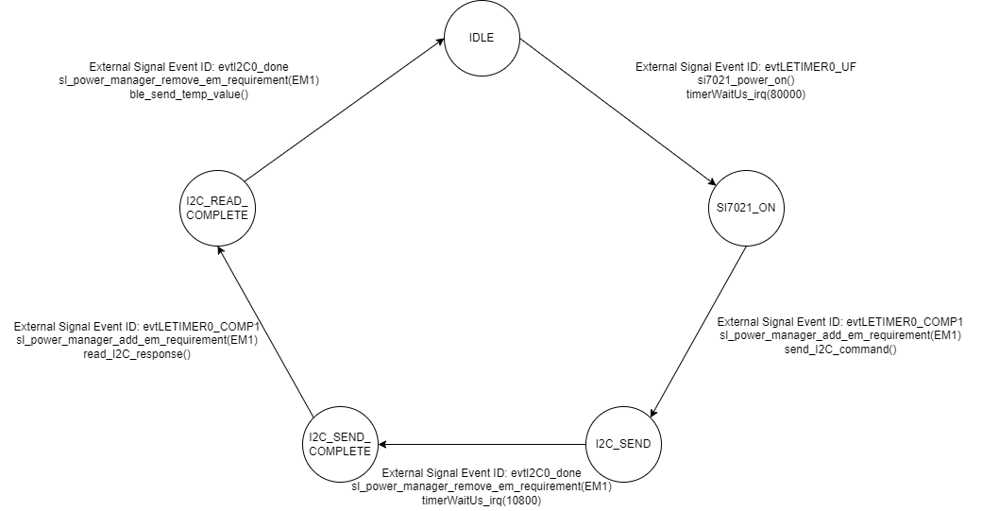
 | Client Command Table for A7
 |  |  |  |  |  | Temperature State Machine:
 | Use this table to help you design your program. Add rows as needed. | Use this column to describe when and what your LCD display changes to for rows like DISPLAY_ROW_CONNECTION | Use this column to denote if BT stack events cause your state machine to advance, you can put an X in the cell to note this. Drawing a bubble diagram of your state machine might also be a good idea 👍. | Commands that may be useful: sl_bt_gatt_discover_primary_services_by_uuid() sl_bt_gatt_discover_characteristics_by_uuid()
 | Event | LCD Display State | Advances State Machine | Commands called in response to event | Notes
Events Common to Slaves/Clients |  | Display State of Server
 | sl_bt_evt_system_boot_id | DISPLAY_ROW_BTADDR: <Server's bd_addr> |  | This event is generated on stack boot up | You can also document in column D values that need to be saved in response to receiving BT stack events.
 |  | DISPLAY_ROW_ASSIGNMENT: "A8" |  |  | Set phy to 1M and mode to passive scanning
 |  | DISPLAY_ROW_NAME: "Server" |  | Client: | Set phy to 1M, scan interval to 50ms and scan window to 25ms
 |  | DISPLAY_ROW_CONNECTION: "Advertising" |  | sl_bt_scanner_set_parameters() | Things to be aware of: Scanning is now controlled by a software component. The Bluetooth SoC Empty project includes software component "Scanner for legacy advertisements” which creates event sl_bt_evt_scanner_legacy_advertisement_report_id, which is what we are currently doing in our Sever implementations (sending what SiLabs refers to as legacy advertisements).
 |  |  |  | sl_bt_connection_set_default_parameters() | See the assignment document for these values
 |  |  |  | sl_bt_scanner_start() | You should start and stop scanning just like you did with advertising for a Server.
 |  |  |  | Server:
 |  |  |  | sl_bt_system_get_identity_address()
 |  |  |  | sl_bt_advertiser_create_set()
 |  |  |  | sl_bt_advertiser_set_timing()
 |  |  |  | sl_bt_sm_delete_bondings()
 |  |  |  | sl_bt_sm_configure()
 |  |  |  | sl_bt_afvertiser_generate_data()
 |  |  |  | sl_bt_legacy_advertiser_start()

 | sl_bt_evt_connection_opened_id | DISPLAY_ROW_CONNECTION: "Connected" | X for discovery_state_machine | sl_bt_advertiser_stop()
 |  |  |  | sl_bt_connection_set_parameters()

 | sl_bt_evt_connection_closed_id | DISPLAY_ROW_PASSKEY: "" | X for discovery_state_machine | Client:
 |  | DISPLAY_ROW_ACTION: "" |  | sl_bt_scanner_start() | Connection is closed, so reset all the flags and rows on the display
 |  | DISPLAY_ROW_TEMPVALUE: "" |  | Server:
 |  | DISPLAY_ROW_9: "" |  | sl_bt_legacy_advertiser_generate_data()
 |  | DISPLAY_ROW_CONNECTION: "Advertising" |  | sl_bt_legacy_advertiser_start()
 |  | DISPLAY_ROW_BTADDR2: ""

 | sl_bt_evt_system_soft_timer_id | Call to displayUpdate() function |  | This event indicates that a soft timer has expired. | We will call displayUpdate()

 | sl_bt_evt_connection_parameters_id |  |  |  | Print the connection parameters

Events only for Slaves/Servers
 | sl_bt_evt_sm_confirm_bonding_id |  |  | sl_bt_sm_bonding_confirm()

 | sl_bt_evt_sm_confirm_passkey_id | DISPLAY_ROW_PASSKEY: <passkey>
 |  | DISPLAY_ROW_ACTION: ""
 |  | DISPLAY_ROW_9: ""

 | sl_bt_evt_sm_bonding_failed_id |  |  | sl_bt_connection_close()

 | sl_bt_evt_sm_bonded_id | DISPLAY_ROW_CONNECTION: "Bonded"
 |  | DISPLAY_ROW_PASSKEY: ""
 |  | DISPLAY_ROW_ACTION: ""

 | sl_bt_evt_system_external_signal_id | DISPLAY_ROW_9: "Button Pressed" or "Button Released" | X for temperature_state_machine | sl_bt_sm_passkey_confirm if not bonded, ble_send_button_state otherwise | This event triggers when there is an external event i.e., PB0 is pressed/released

 | sl_bt_evt_gatt_server_characteristic_status_id | If client_config_flags == gatt_disable, DISPLAY_ROW_TEMPVALUE: "" |  | gpioLed0SetOff, gpioLed0SetOn, gpioLed1SetOff, gpioLed1SetOn

 | sl_bt_evt_gatt_server_indication_timeout_id

Events only for Masters/Clients
 | sl_bt_evt_scanner_legacy_advertisement_report_id |  |  | Is the bd_addr, event_flag and address_type what we expect for our Server? If yes: sl_bt_scanner_stop() sl_bt_connection_open() | Received for advertising or scan response packets generated by: sl_bt_scanner_start().

 | sl_bt_evt_gatt_procedure_completed_id |  | X for discovery_state_machine | sl_bt_gatt_discover_characteristics_by_uuid() | We get this event when it’s ok to call the next GATT command. It’s a good idea to check for returned error codes. This would be a great event to use to sequence your new state machine.
 |  |  |  | sl_bt_gatt_set_characteristic_notification() | Enable notifications and indications sent from a remote GATT server.
 | sl_bt_evt_gatt_service_id |  | Save GATT HTM service handle | A GATT service in the remote GATT database was discovered | This event is generated after issuing the sl_bt_gatt_discover_primary_services_by_uuid command.

 | sl_bt_evt_gatt_characteristic_id |  | Save GATT HTM characteristic handle | A GATT characteristic in the remote GATT database was discovered | This event is generated after issuing either the sl_bt_gatt_discover_characteristics_by_uuid command.

 | sl_bt_evt_gatt_characteristic_value_id | DISPLAY_ROW_CONNECTION: "Handling Indications" |  | If an indication or notification has been enabled for a characteristic, this event is triggered whenever an indication or notification is received from the remote GATT server. Is the characteristic handle and att_opcode we expect? If yes: sl_bt_gatt_send_characteristic_confirmation() | Send a confirmation to a remote GATT server after receiving a characteristic indication
 |  | DISPLAY_ROW_TEMPVALUE: "Temp=<temperature value>"
 |  |  |  |  | Do not build your state machine into your handle_ble_event() function! Instead build a new state machine for A7.

